1D drainage
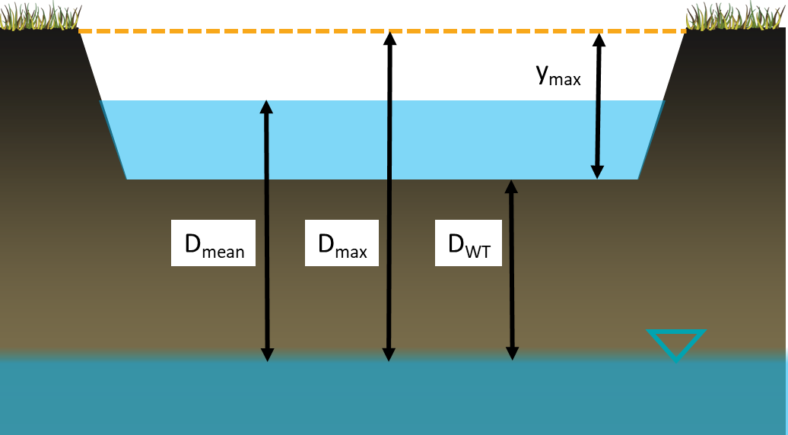
 | Kfs native soil (mm/hr) | 12
 | BMP depth (ymax, m) | 1.6 |  | The depth of water within the BMP (y) is calculated according to the depth in the prior timestep minus the losses. The loss from the system is calculated as hours passed x darcy velocity (q).
 | BMP depth (ymax, mm) | 1600
 | Distance to GW (DWT, m) | 3
 | Distance to GW (DWT, mm) | 3000
$$q=K_{fs}×J$$
Time (hours) | Without head | Mean head | Falling head
0 | 1600 | 1600 | 1600
2 | 1576 | 1569.6 | 1563
4 | 1552 | 1539.2 | 1527 | In the first scenario J = 1 and q becomes Kfs. This is commonly applied e.g. in the CSA bioretention standard. In the second scenario the mean head pressure (i.e. where the BMP is half full) has been applied as a constant.
6 | 1528 | 1508.8 | 1490
8 | 1504 | 1478.4 | 1455
10 | 1480 | 1448 | 1419
12 | 1456 | 1417.6 | 1384
$$J=\frac{D_{mean}}{D_{WT}}$$
14 | 1432 | 1387.2 | 1349
16 | 1408 | 1356.8 | 1314
18 | 1384 | 1326.4 | 1279
 | Without head | Mean head | Falling head
0 | 1600 | 1600 | 1600
2 | 1576 | 1569.6 | 1563
4 | 1552 | 1539.2 | 1527
6 | 1528 | 1508.8 | 1490
8 | 1504 | 1478.4 | 1455
10 | 1480 | 1448 | 1419
12 | 1456 | 1417.6 | 1384
14 | 1432 | 1387.2 | 1349
16 | 1408 | 1356.8 | 1314
18 | 1384 | 1326.4 | 1279
20 | 1360 | 1296 | 1245
22 | 1336 | 1265.6 | 1211
24 | 1312 | 1235.2 | 1177
26 | 1288 | 1204.8 | 1144
28 | 1264 | 1174.4 | 1111
30 | 1240 | 1144 | 1078
32 | 1216 | 1113.6 | 1045
34 | 1192 | 1083.2 | 1013
36 | 1168 | 1052.8 | 981
38 | 1144 | 1022.4 | 949
40 | 1120 | 992 | 917
42 | 1096 | 961.6 | 886
44 | 1072 | 931.2 | 855
46 | 1048 | 900.8 | 824
48 | 1024 | 870.4 | 793
50 | 1000 | 840 | 763
52 | 976 | 809.6 | 733
54 | 952 | 779.2 | 703
56 | 928 | 748.8 | 674
58 | 904 | 718.4 | 644
60 | 880 | 688 | 615
62 | 856 | 657.6 | 586
64 | 832 | 627.2 | 557
66 | 808 | 596.8 | 529
68 | 784 | 566.4 | 501
70 | 760 | 536 | 473
72 | 736 | 505.6 | 445
74 | 712 | 475.2 | 417
76 | 688 | 444.8 | 390
78 | 664 | 414.4 | 363
80 | 640 | 384 | 336
82 | 616 | 353.6 | 309
84 | 592 | 323.2 | 283
86 | 568 | 292.8 | 257
88 | 544 | 262.4 | 231
90 | 520 | 232 | 205
92 | 496 | 201.6 | 179
94 | 472 | 171.2 | 154
96 | 448 | 140.8 | 128
98 | 424 | 110.4 | 103
...
20 | 1360 | 1296 | 1245
22 | 1336 | 1265.6 | 1211
24 | 1312 | 1235.2 | 1177 | In the third scenario the head pressure in each time step is dependant on the depth of water remaining.
26 | 1288 | 1204.8 | 1144
28 | 1264 | 1174.4 | 1111
$$J_{t=0}=\frac{D_{max}}{D_{WT}}$$
$$J_{y=0}=\frac{D_{WT}}{D_{WT}}=1$$
30 | 1240 | 1144 | 1078
32 | 1216 | 1113.6 | 1045
34 | 1192 | 1083.2 | 1013
36 | 1168 | 1052.8 | 981
38 | 1144 | 1022.4 | 949
40 | 1120 | 992 | 917
42 | 1096 | 961.6 | 886
44 | 1072 | 931.2 | 855
46 | 1048 | 900.8 | 824
48 | 1024 | 870.4 | 793
50 | 1000 | 840 | 763
52 | 976 | 809.6 | 733
54 | 952 | 779.2 | 703
56 | 928 | 748.8 | 674
58 | 904 | 718.4 | 644
60 | 880 | 688 | 615
62 | 856 | 657.6 | 586
64 | 832 | 627.2 | 557
66 | 808 | 596.8 | 529
68 | 784 | 566.4 | 501
70 | 760 | 536 | 473
72 | 736 | 505.6 | 445
74 | 712 | 475.2 | 417
76 | 688 | 444.8 | 390
78 | 664 | 414.4 | 363
80 | 640 | 384 | 336
82 | 616 | 353.6 | 309
84 | 592 | 323.2 | 283
86 | 568 | 292.8 | 257
88 | 544 | 262.4 | 231
90 | 520 | 232 | 205
92 | 496 | 201.6 | 179
94 | 472 | 171.2 | 154
96 | 448 | 140.8 | 128
98 | 424 | 110.4 | 103
100 | 400 | 80 | 79
102 | 376 | 49.6 | 54
104 | 352 | 19.2 | 29
106 | 328 | -11.2 | 5
108 | 304 | -41.6 | -19
110 | 280 | -72 | -43
112 | 256 | -102.4 | -66
114 | 232 | -132.8 | -90
116 | 208 | -163.2 | -113
118 | 184 | -193.6 | -136
120 | 160 | -224 | -159
122 | 136 | -254.4 | -182
124 | 112 | -284.8 | -204
126 | 88 | -315.2 | -227
128 | 64 | -345.6 | -249
130 | 40 | -376 | -271
132 | 16 | -406.4 | -293
134 | -8 | -436.8 | -314
136 | -32 | -467.2 | -336
138 | -56 | -497.6 | -357
140 | -80 | -528 | -378
142 | -104 | -558.4 | -399
144 | -128 | -588.8 | -420
146 | -152 | -619.2 | -441
148 | -176 | -649.6 | -461
150 | -200 | -680 | -482
152 | -224 | -710.4 | -502
154 | -248 | -740.8 | -522
156 | -272 | -771.2 | -542
158 | -296 | -801.6 | -561
160 | -320 | -832 | -581
162 | -344 | -862.4 | -600
164 | -368 | -892.8 | -619
166 | -392 | -923.2 | -638
168 | -416 | -953.6 | -657

