Vertical drainage
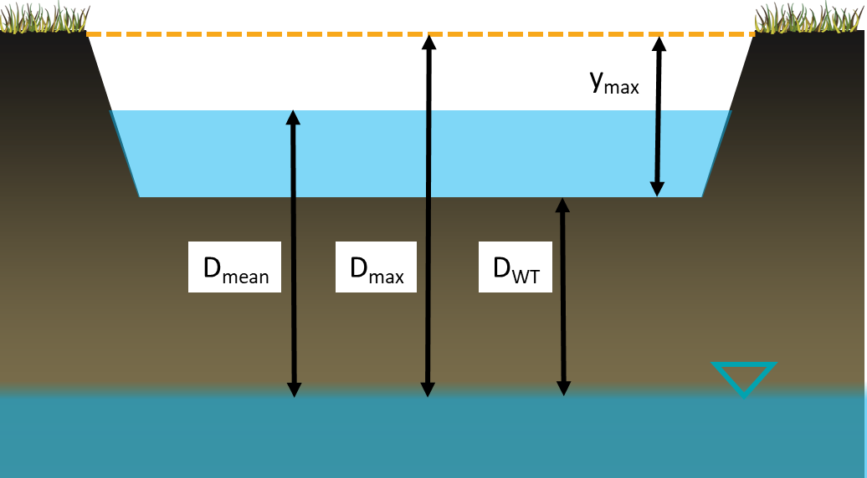
 | Kfs native soil (mm/hr) | 15
 | BMP depth (ymax, m) | 0.9 |  | The depth of water within the BMP (y) is calculated according to the depth in the prior timestep minus the losses. The loss from the system is calculated as hours passed x darcy velocity (q).
 | Distance to GW (DWT, m) | 2
 | Water depth (ymax, mm) | 900
 | Distance to GW (DWT, mm) | 2000

$$q=K_{fs}×J$$
Time (hours) | Without head (mm) | Mean head (mm) | Falling head (mm)
0 | 900 | 900 | 900
2 | 870 | 863 | 857
4 | 840 | 827 | 814
6 | 810 | 790 | 771
8 | 780 | 753 | 730 | In the first scenario J = 1 and q becomes Kfs. This is commonly applied e.g. in the CSA bioretention standard. In the second scenario the mean head pressure (i.e. where the BMP is half full) has been applied as a constant.
10 | 750 | 716 | 689
12 | 720 | 680 | 649
 | Without head (mm) | Mean head (mm) | Falling head (mm)
0 | 900 | 900 | 900
2 | 870 | 863 | 857
4 | 840 | 827 | 814
6 | 810 | 790 | 771
8 | 780 | 753 | 730
10 | 750 | 716 | 689
12 | 720 | 680 | 649
14 | 690 | 643 | 609
16 | 660 | 606 | 570
18 | 630 | 569 | 531
20 | 600 | 533 | 493
22 | 570 | 496 | 456
24 | 540 | 459 | 419
26 | 510 | 422 | 383
28 | 480 | 386 | 347
30 | 450 | 349 | 312
32 | 420 | 312 | 277
34 | 390 | 275 | 243
36 | 360 | 239 | 209
38 | 330 | 202 | 176
40 | 300 | 165 | 143
42 | 270 | 128 | 111
44 | 240 | 92 | 80
46 | 210 | 55 | 48
48 | 180 | 18 | 18
50 | 150 | -19 | -13
52 | 120 | -56 | -42
54 | 90 | -92 | -72
56 | 60 | -129 | -101
58 | 30 | -166 | -129
60 | 0 | -203 | -157
62 | -30 | -239 | -185
64 | -60 | -276 | -212
66 | -90 | -313 | -239
68 | -120 | -350 | -265
70 | -150 | -386 | -291
72 | -180 | -423 | -317
74 | -210 | -460 | -342
76 | -240 | -497 | -367
78 | -270 | -533 | -392
80 | -300 | -570 | -416
82 | -330 | -607 | -439
84 | -360 | -644 | -463
86 | -390 | -680 | -486
88 | -420 | -717 | -509
90 | -450 | -754 | -531
92 | -480 | -791 | -553
94 | -510 | -827 | -575
96 | -540 | -864 | -596
98 | -570 | -901 | -617
...
14 | 690 | 643 | 609
16 | 660 | 606 | 570
$$J=\frac{D_{mean}}{D_{WT}}$$
18 | 630 | 569 | 531
20 | 600 | 533 | 493
22 | 570 | 496 | 456
24 | 540 | 459 | 419
26 | 510 | 422 | 383
28 | 480 | 386 | 347 | In the third scenario the head pressure in each time step is dependant on the depth of water remaining.
30 | 450 | 349 | 312
32 | 420 | 312 | 277
$$J_{t=0}=\frac{D_{max}}{D_{WT}}$$
$$J_{y=0}=\frac{D_{WT}}{D_{WT}}=1$$
34 | 390 | 275 | 243
36 | 360 | 239 | 209
38 | 330 | 202 | 176
40 | 300 | 165 | 143
42 | 270 | 128 | 111
44 | 240 | 92 | 80
46 | 210 | 55 | 48
48 | 180 | 18 | 18
50 | 150 | -19 | -13
52 | 120 | -56 | -42
54 | 90 | -92 | -72
56 | 60 | -129 | -101
58 | 30 | -166 | -129
60 | 0 | -203 | -157
62 | -30 | -239 | -185
64 | -60 | -276 | -212
66 | -90 | -313 | -239
68 | -120 | -350 | -265
70 | -150 | -386 | -291
72 | -180 | -423 | -317
74 | -210 | -460 | -342
76 | -240 | -497 | -367
78 | -270 | -533 | -392
80 | -300 | -570 | -416
82 | -330 | -607 | -439
84 | -360 | -644 | -463
86 | -390 | -680 | -486
88 | -420 | -717 | -509
90 | -450 | -754 | -531
92 | -480 | -791 | -553
94 | -510 | -827 | -575
96 | -540 | -864 | -596
98 | -570 | -901 | -617
100 | -600 | -938 | -638
102 | -630 | -974 | -658
104 | -660 | -1011 | -678
106 | -690 | -1048 | -698
108 | -720 | -1085 | -718
110 | -750 | -1121 | -737
112 | -780 | -1158 | -756
114 | -810 | -1195 | -775
116 | -840 | -1232 | -793
118 | -870 | -1268 | -811
120 | -900 | -1305 | -829
122 | -930 | -1342 | -847
124 | -960 | -1379 | -864
126 | -990 | -1415 | -881
128 | -1020 | -1452 | -898
130 | -1050 | -1489 | -914
132 | -1080 | -1526 | -930
134 | -1110 | -1562 | -947
136 | -1140 | -1599 | -962
138 | -1170 | -1636 | -978
140 | -1200 | -1673 | -993
142 | -1230 | -1709 | -1008
144 | -1260 | -1746 | -1023
146 | -1290 | -1783 | -1038
148 | -1320 | -1820 | -1052
150 | -1350 | -1856 | -1066
152 | -1380 | -1893 | -1081
154 | -1410 | -1930 | -1094
156 | -1440 | -1967 | -1108
158 | -1470 | -2003 | -1121
160 | -1500 | -2040 | -1134
162 | -1530 | -2077 | -1147
164 | -1560 | -2114 | -1160
166 | -1590 | -2150 | -1173
168 | -1620 | -2187 | -1185

Horizontal drainage
y_{max}
 | Kh native soil (mm/hr) | 75
 | BMP depth (dmax, m) | 0.9
 | Width of practice (B, m) | 5 | In each timestep the remaining volume within the practice is calculated by subtracting the rate of water loss (Kh) through the area of all four sides of the BMP. The BMP is conceptually a cuboid with length (L), width (B) and remaining water depth (y).
 | Length of practice (L, m) | 8
 | Water depth (hmax, mm) | 900

Time (hours) | Total volume of practice containing water (m3) | Depth of water (mm)
0 | 36 | 900
2 | 34 | 856
4 | 33 | 814
6 | 31 | 775 | In the final column the depth of water (in mm) is calculated as:
8 | 29 | 737
10 | 28 | 701
12 | 27 | 667
14 | 25 | 634
16 | 24 | 603
18 | 23 | 574
20 | 22 | 546
22 | 21 | 519
24 | 20 | 494
26 | 19 | 470
28 | 18 | 447
30 | 17 | 425
32 | 16 | 405
34 | 15 | 385
36 | 15 | 366
38 | 14 | 348
40 | 13 | 331
42 | 13 | 315
44 | 12 | 300
46 | 11 | 285
48 | 11 | 271
50 | 10 | 258
52 | 10 | 245
54 | 9 | 233
56 | 9 | 222
58 | 8 | 211
60 | 8 | 201
62 | 8 | 191
64 | 7 | 182
66 | 7 | 173
68 | 7 | 165
70 | 6 | 157
72 | 6 | 149
74 | 6 | 142
76 | 5 | 135
78 | 5 | 128
80 | 5 | 122
82 | 5 | 116
84 | 4 | 110
86 | 4 | 105
88 | 4 | 100
90 | 4 | 95
92 | 4 | 90
94 | 3 | 86
96 | 3 | 82
98 | 3 | 78
100 | 3 | 74
102 | 3 | 70
104 | 3 | 67
106 | 3 | 64
108 | 2 | 61
110 | 2 | 58
112 | 2 | 55
114 | 2 | 52
116 | 2 | 50
118 | 2 | 47
120 | 2 | 45
122 | 2 | 43
124 | 2 | 41
126 | 2 | 39
128 | 1 | 37
130 | 1 | 35
132 | 1 | 33
134 | 1 | 32
136 | 1 | 30
138 | 1 | 29
140 | 1 | 27
142 | 1 | 26
144 | 1 | 25
146 | 1 | 23
148 | 1 | 22
150 | 1 | 21
152 | 1 | 20
154 | 1 | 19
156 | 1 | 18
158 | 1 | 17
160 | 1 | 17
162 | 1 | 16
164 | 1 | 15
166 | 1 | 14
168 | 1 | 14

3D combined
 | Falling head base only (mm) | Falling head sides only(mm) | Falling head 3D (mm)
0 | 750 | 750 | 750
2 | 709 | 738 | 696
4 | 668 | 725 | 644
6 | 628 | 713 | 592
8 | 589 | 702 | 540
10 | 550 | 690 | 490
12 | 512 | 679 | 440
14 | 474 | 668 | 391
16 | 437 | 657 | 343
18 | 400 | 646 | 296
20 | 364 | 635 | 249
22 | 329 | 625 | 203
24 | 294 | 614 | 158
26 | 259 | 604 | 114
28 | 226 | 594 | 70
30 | 192 | 584 | 27
32 | 159 | 575 | -16
34 | 127 | 565 | -58
36 | 95 | 556 | -99
38 | 64 | 547 | -140
40 | 33 | 538 | -180
42 | 2 | 529 | -219
44 | -28 | 520 | -258
46 | -57 | 512 | -296
48 | -87 | 503 | -334
50 | -115 | 495 | -371
52 | -144 | 487 | -407
54 | -171 | 479 | -443
56 | -199 | 471 | -478
58 | -226 | 463 | -513
60 | -252 | 455 | -547
62 | -279 | 448 | -581
64 | -305 | 440 | -614
66 | -330 | 433 | -647
68 | -355 | 426 | -679
70 | -380 | 419 | -711
72 | -404 | 412 | -742
74 | -428 | 405 | -773
76 | -452 | 399 | -803
78 | -475 | 392 | -833
80 | -498 | 386 | -862
82 | -520 | 379 | -891
84 | -542 | 373 | -919
86 | -564 | 367 | -947
88 | -586 | 361 | -975
90 | -607 | 355 | -1002
92 | -628 | 349 | -1029
94 | -648 | 343 | -1055
96 | -669 | 337 | -1081
98 | -689 | 332 | -1107
...
 |  | Kv native soil (mm/hr) | 15
 |  | Kv/Kh | 1
 |  | BMP depth (ymax, m) | 0.75
 |  | Distance to GW (DWT, m) | 2
 |  | Width of practice (m) | 2
 |  | Length of practice (m) | 20
 |  | Kh (mm/hr) | 15
 |  | Water depth (ymax, mm) | 750
 |  | Distance to GW (DWT, mm) | 2000
 |  | Area of practice (m2) | 40
 |  | Vol of practice (m3) | 30

Time (hours) | Falling head base only (mm) | Falling head sides only(mm) | Falling head 3D (mm)
0 | 750 | 750 | 750
2 | 709 | 738 | 696
4 | 668 | 725 | 644
6 | 628 | 713 | 592
8 | 589 | 702 | 540
10 | 550 | 690 | 490
12 | 512 | 679 | 440
14 | 474 | 668 | 391
16 | 437 | 657 | 343 | This sheet applies both types of drainge (vertical and horizontal) to each time step. This permits the cumulative effects to be estimated, and the relative contributions of each to be evaluated.
18 | 400 | 646 | 296
20 | 364 | 635 | 249
22 | 329 | 625 | 203
24 | 294 | 614 | 158
26 | 259 | 604 | 114
28 | 226 | 594 | 70
30 | 192 | 584 | 27
32 | 159 | 575 | -16
34 | 127 | 565 | -58
36 | 95 | 556 | -99
38 | 64 | 547 | -140
40 | 33 | 538 | -180
42 | 2 | 529 | -219
44 | -28 | 520 | -258
46 | -57 | 512 | -296
48 | -87 | 503 | -334
50 | -115 | 495 | -371
52 | -144 | 487 | -407
54 | -171 | 479 | -443
56 | -199 | 471 | -478
58 | -226 | 463 | -513
60 | -252 | 455 | -547
62 | -279 | 448 | -581
64 | -305 | 440 | -614
66 | -330 | 433 | -647
68 | -355 | 426 | -679
70 | -380 | 419 | -711
72 | -404 | 412 | -742
74 | -428 | 405 | -773
76 | -452 | 399 | -803
78 | -475 | 392 | -833
80 | -498 | 386 | -862
82 | -520 | 379 | -891
84 | -542 | 373 | -919
86 | -564 | 367 | -947
88 | -586 | 361 | -975
90 | -607 | 355 | -1002
92 | -628 | 349 | -1029
94 | -648 | 343 | -1055
96 | -669 | 337 | -1081
98 | -689 | 332 | -1107
100 | -708 | 326 | -1132
102 | -728 | 321 | -1157
104 | -747 | 316 | -1181
106 | -766 | 311 | -1205
108 | -784 | 305 | -1229
110 | -802 | 300 | -1252
112 | -820 | 295 | -1275
114 | -838 | 291 | -1297
116 | -855 | 286 | -1320
118 | -873 | 281 | -1342
120 | -890 | 276 | -1363
122 | -906 | 272 | -1384
124 | -923 | 267 | -1405
126 | -939 | 263 | -1426
128 | -955 | 259 | -1446
130 | -970 | 254 | -1466
132 | -986 | 250 | -1486
134 | -1001 | 246 | -1505
136 | -1016 | 242 | -1524
138 | -1031 | 238 | -1543
140 | -1045 | 234 | -1561
142 | -1060 | 230 | -1579
144 | -1074 | 226 | -1597
146 | -1088 | 223 | -1615
148 | -1101 | 219 | -1632
150 | -1115 | 215 | -1649
152 | -1128 | 212 | -1666
154 | -1141 | 208 | -1683
156 | -1154 | 205 | -1699
158 | -1167 | 201 | -1715
160 | -1179 | 198 | -1731
162 | -1192 | 195 | -1747
164 | -1204 | 192 | -1762
166 | -1216 | 189 | -1777
168 | -1227 | 185 | -1792

